Match Detail
MATCH is an Excel function used to locate the position of a lookup value in a row, column, or table. MATCH supports approximate and exact matching

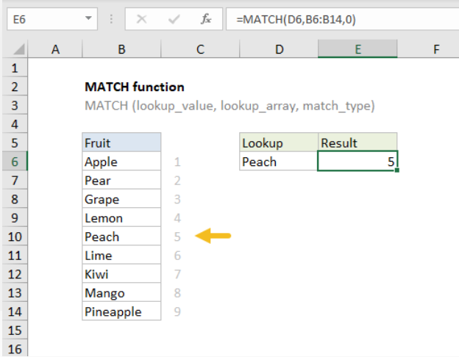

Purpose | Return value

Get the position of an item in an array | A number representing a position in lookup_array.

Vlookup
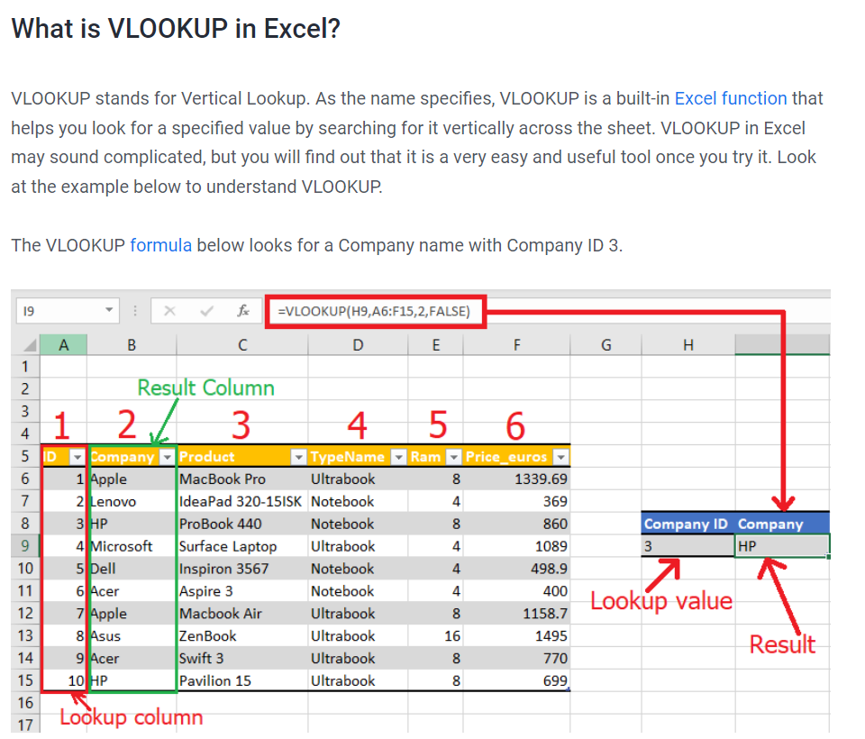

ID | Company | Product | TypeName | Ram | price_euros
1 | Apple | MacBook Pro | Ultrabook | 86B | 1339.69
2 | Lenovo | IdeaPad 320-151SK | Notebook | 4GB | 369 | Company ID | Company
3 | HP | ProBook 440 | Notebook | 8GB | 860 | 6 | Acer | =VLOOKUP(R16,K14:P23,2,FALSE)
4 | Microsoft | Surface Laptop | Ultrabook | 4GB | 1089
5 | Dell | Inspiron 3567 | Notebook | 46B | 498.9
6 | Acer | Aspire 3 | Notebook | 4GB | 400
7 | Apple | Macbook Air | Ultrabook | 8GB | 1158.7
8 | 'Asus | Zen Book | Ultrabook | 16GB | 1495
9 | Acer | Swift 3 | Ultrabook | 8GB | 770
10 | iHP | Pavilion 15 | Ultrabook | 8GB | 699

 | 5 | #N/A

